DashBoard
Sainath's Hardware Shop

P&L
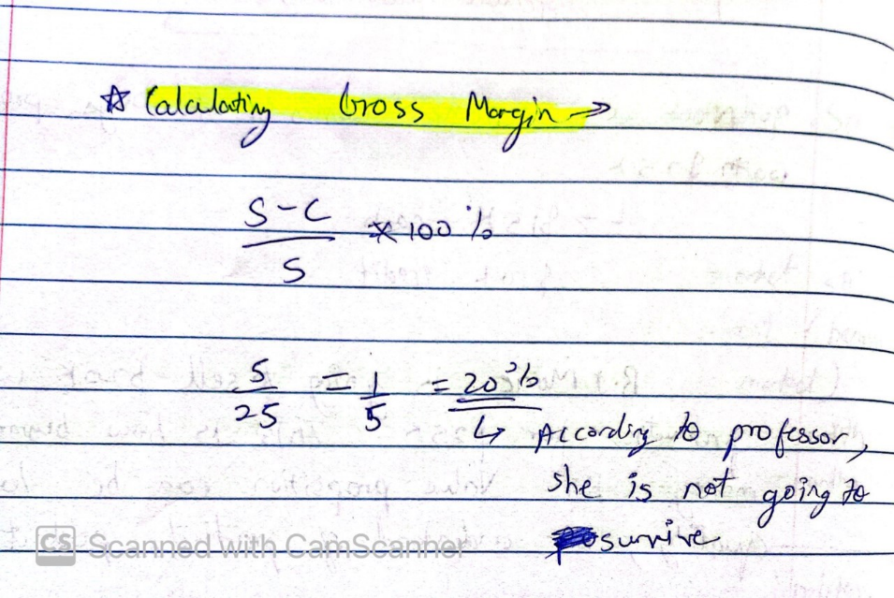
First Year Income Statement Sainath's Hardware Shop Income Statement For the year ended December 31, 2021
Net Sales | $50,000.00
Cost of Goods Sold (COGS) | $20,000.00
Gross Profit | $30,000.00 | 60.00%

General and administration cost
Deposit | $1,000.00
Interior Design | $2,000.00
Yearly Rent | $10,000.00
Labor | $5,670.00
Marketing Expense | $776.33
Utilities(Electricity, water, Insurance) | $2,400.00
Electric Appliances | $2,000.00
Depreciation | $40.00 | (1/50th depericiation assumed on all electric products)
Total operating cost | $23,806.33

Income (loss) before taxes | $6,193.67
Tax benefits

Taxes and duties
Taxes(~14% Effective Federal tax only for Texas) | $867.11
Total Taxes | $867.11

Net Profit (loss) | $5,326.56

